BD Preliminary Eval Tool
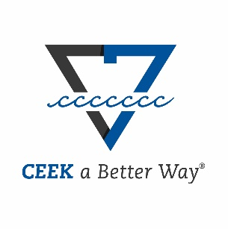 | Business Development Preliminary Evaluation Tool |  |  |  | Copyright CEEK LLC 2022 All rights reserved
Welcome to the CEEK LLC Business Development (BD) Preliminary Evaluation Tool. This tool serves to provide an easy-to-interpret analysis of the probability to win (p-Win) for an opportunity early on in the BD process, which gives you ample time to take strategic action and ultimately improve your p-Win. By answering the below "Yes or No" questions, you will generate a score that weighs your probability of success across two perspectives: Strategic Position (x-axis) and Competitive Strength (y-axis). Strategic Position relates to how well you are known within the particular market (e.g., customer or clients), while Competitive Strength indicates your experience and knowledge with the particular type of work you are pursuing. The weighted score will populate the adjacent matrix and generate a brief description that further describes your position and actions you may want to consider.

High
Competitive Strength
Medium
 | Competitive Strengths Question | Check if YES
1 | Is this project a fit for your business? |  | - | - | -
2 | Do you have the loyalty & trust of this customer/agency? |  | - | - | -
Low
Niche
3 | Do you have a cost-effective solution? |  | - | - | ●- no bid
Strategic Positioning
Strategic
Reach
4 | Are you one of few competitors that can do this work without risk to customer?
5 | Do you have a direct source for more information on the specific needs of the customer?
6 | Have you worked with this organization in the past? |  | It is not recommended that you pursue this opportunity at this time, as there is a lack of core positioning and a very low probability to win.
7 | Do you know who the decision-makers are?
8 | Is your team qualified to execute this work right now?
9 | Is there adequate time to prepare or shape the requirements? |  | 0 | 0 | -
 |  |  | 0 | 0
This document and related features may not be duplicated or distributed without the express, written permission of CEEK LLC. For more information, please contact us at info@ceekllc.com

